Order Form
neptune ISO CARD Black & white print EM/Presco Order Form
 |  |  | v3 11/2025
Customer Details

Company Name:

Account Number: | Purchase Order Number:

Delivery Address: | State: | Postcode:

Contact Name: | Contact Number:

Site Reference (if applicable):

Product Type

Choose one of the following product types

Slot Punch Guides
Slot Punch - Short Side
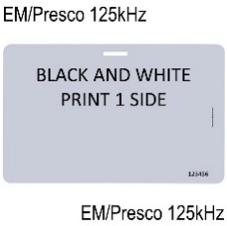
Slot Punch - Long Side

Programming Details

Order Quantity (MOQ=10)

Select Technology

Format

Facilty/Site Code |  | Text Printing Only (1 side)
 |  | Enter custom card text
Start Number

End Number

Offset (if any) |  | •All cards Laser Engraved with Card Numbers by default. • Cards printed in Black and White.

Approval

Name |  | Please send completed form to cards@lsc.com.au

Date

